Overstock Industrial Fans
Overstock Industrial Fans

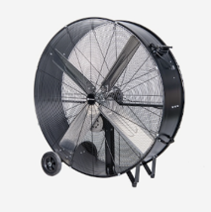
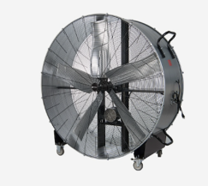
48" and 60" Drum Fans
Perfect for the Warehouse!

Truckload Pricing

Available from the following locations |  | 48" model |  | 60" model
EXW | Item Number | Item Description | Units Per Truckload | Current Retail | Est Retail per Truckload | Truckload Price
CT | 3735970 | SUMMIT VICTORY 48IN DRUM FAN | 85 | $549.99 | $46,749.15 | $14,097.27
 | 3735971 | SUMMIT VICTORY 60IN DRUM FAN | 32 | $829.99 | $26,559.68 | $8,897.00
PA | 3735970 | SUMMIT VICTORY 48IN DRUM FAN | 85 | $549.99 | $46,749.15 | $14,097.27
 | 3735971 | SUMMIT VICTORY 60IN DRUM FAN | 32 | $829.99 | $26,559.68 | $8,897.00
OH | 3735970 | SUMMIT VICTORY 48IN DRUM FAN | 85 | $549.99 | $46,749.15 | $14,097.27
 | 3735971 | SUMMIT VICTORY 60IN DRUM FAN | 32 | $829.99 | $26,559.68 | $8,897.00
IN | 3735970 | SUMMIT VICTORY 48IN DRUM FAN | 85 | $549.99 | $46,749.15 | $14,097.27
IL | 3735970 | SUMMIT VICTORY 48IN DRUM FAN | 85 | $549.99 | $46,749.15 | $14,097.27

